MARKS 1
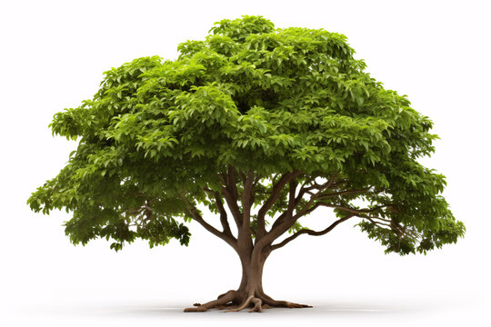
NAME | TAMIL | ENGLISH | MATHS | PHYSICS | CHEMISTRY | E.G | TOTAL | AVERAGE
AJITH | 55 | 42 | 68 | 67 | 56 | 59 | 347
ARUN | 71 | 99 | 48 | 93 | 60 | 74 | 445
DARANI | 57 | 74 | 39 | 58 | 99 | 36 | 363
DEEPIKA | 61 | 82 | 98 | 37 | 95 | 76 | 449
GAYU | 87 | 38 | 54 | 68 | 74 | 75 | 396
GEETHA | 52 | 47 | 63 | 93 | 75 | 52 | 382
KANMANI | 36 | 71 | 38 | 55 | 62 | 57 | 319
MAYA | 61 | 41 | 49 | 69 | 46 | 60 | 326
MOHAN | 75 | 72 | 62 | 46 | 63 | 75 | 393
PRIYA | 100 | 86 | 35 | 70 | 90 | 98 | 479
RAJU | 93 | 46 | 90 | 56 | 51 | 85 | 421 |  | #DIV/0!
SALINI | 47 | 41 | 36 | 55 | 82 | 76 | 337
SHAMEERA | 91 | 49 | 61 | 53 | 79 | 65 | 398
SHIFANA | 98 | 84 | 86 | 47 | 95 | 90 | 500
SUGANYA | 95 | 91 | 93 | 100 | 62 | 41 | 482
SURYA | 64 | 76 | 70 | 80 | 75 | 92 | 457

